Cost Savings Calculator
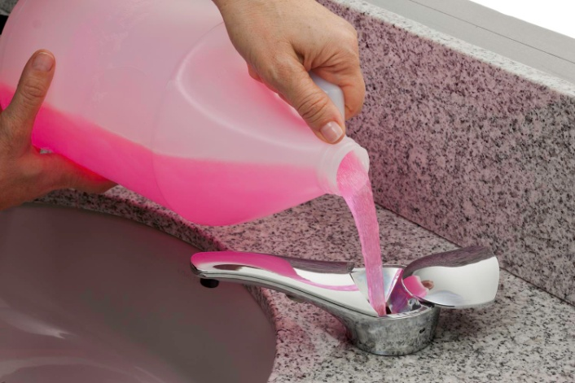
 |  |  | SureFlo® Automatic, Bulk Liquid and Foam Soap Dispensers
 |  |  | Interactive Cost-in-use Savings Calculator

 |  |  | Per Dispenser
 |  | Bobrick Bulk Fill |  | Cartridge Type

Cost of Unit: |  | $417.75 |  | $159.74

Traffic: | ml of soap per hand wash | 0.8 |  | 0.8
 | People/sink | 35 |  | 35
 | Hand washes/day | 4 |  | 4
 | # days/mo | 22 |  | 22
 | ml/mo/sink | 2464 |  | 2464

Cost of Soap: | Soap Unit: | Gallon |  | Cartridge
 | ml/soap unit | 3785 |  | 1600

 | units/mo | 0.65 |  | 1.54
 | x 12 = Units/yr | 7.81 |  | 18.48

 | Cost/soap unit | $13.49 |  | $28.74

 | Soap cost/yr | $105.38 |  | $531.12

Waste Factor: | Waste factor/soap unit | 5% |  | 20%
 | Units/yr | 7.81 |  | 18.48
 | Units of Waste/yr | 0.3906 |  | 3.6960
 | Cost/unit | $13.49 |  | $28.74
 | Cost of Waste/yr | $5.27 |  | $106.22

 |  | Bobrick Bulk Fill |  | Cartridge Type | Annual Savings Per Sink
Total soap cost/yr |  | $110.65 |  | $637.34 | $526.69
(soap used + waste)
 | Year | Bobrick Bulk Fill |  | Cartridge Type
Total Unit Cost/Year | 1 | $528.40 |  | $797.08 | $268.68
 | 2 | $639.05 |  | $1,434.42 | $795.36
 | 3 | $749.70 |  | $2,071.75 | $1,322.05
 | 4 | $860.36 |  | $2,709.09 | $1,848.74
 | 5 | $971.01 |  | $3,346.43 | $2,375.42
 | 6 | $1,081.66 |  | $3,983.77 | $2,902.11
 | 7 | $1,192.31 |  | $4,621.11 | $3,428.80

Assumptions:
Each dispenser dispenses .8 ml of soap per dispense
Each washroom uses between 3 to 4 liters of soap per month

