Cost Savings Calculator
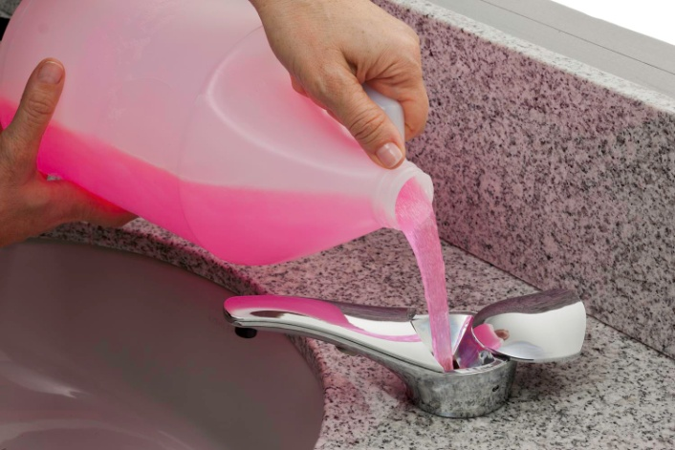
 |  |  | SureFlo® Automatic, Bulk Liquid and Foam Soap Dispensers
 |  |  | Interactive Cost-in-use Savings Calculator

 |  |  | Per Dispenser
 |  | Bobrick Bulk Fill |  | Cartridge Type

Cost of Unit: |  | $202.16 |  | $55.91

Traffic: | ml of soap per hand wash | 0.8 |  | 0.8
 | People/sink | 35 |  | 35
 | Hand washes/day | 4 |  | 4
 | # days/mo | 22 |  | 22
 | ml/mo/sink | 2464 |  | 2464

Cost of Soap: | Soap Unit: | Gallon |  | Cartridge
 | ml/soap unit | 3785 |  | 1600

 | units/mo | 0.65 |  | 1.54
 | x 12 = Units/yr | 7.81 |  | 18.48

 | Cost/soap unit | $5.25 |  | $12.08

 | Soap cost/yr | $41.01 |  | $223.24

Waste Factor: | Waste factor/soap unit | 5% |  | 20%
 | Units/yr | 7.81 |  | 18.48
 | Units of Waste/yr | 0.3906 |  | 3.6960
 | Cost/unit | $5.25 |  | $12.08
 | Cost of Waste/yr | $2.05 |  | $44.65

 |  | Bobrick Bulk Fill |  | Cartridge Type | Annual Savings Per Sink
Total soap cost/yr |  | $43.06 |  | $267.89 | $224.82
(soap used + waste)
 | Year | Bobrick Bulk Fill |  | Cartridge Type
Total Unit Cost/Year | 1 | $245.22 |  | $323.80 | $78.57
 | 2 | $288.29 |  | $591.68 | $303.40
 | 3 | $331.35 |  | $859.57 | $528.22
 | 4 | $374.41 |  | $1,127.45 | $753.04
 | 5 | $417.48 |  | $1,395.34 | $977.87
 | 6 | $460.54 |  | $1,663.23 | $1,202.69
 | 7 | $503.60 |  | $1,931.11 | $1,427.51

Assumptions:
Each dispenser dispenses .8 ml of soap per dispense
Each washroom uses between 3 to 4 liters of soap per month

